Creator's Message
Welcome!
To show appreciation for this
valuable, free resource,
Please subscribe to my
YouTube channel: ExcelObstacleCourse
Please also share my videos so we can continue to
grow the audience and community!

About this Puzzle
WELCOME!
Note: Make sure you DON'T SAVE the course upon exiting, otherwise you will not have the ability to restart the course fresh.
If you mess up, close out of the spreadsheet and don't save. Reopen the original copy and restart.
There is a "Move Counter" that registers when you hit Enter among other key entries.
*The Move Counter does not register arrows movements or CTRL Pg Up or Pg Dn
Good Luck!

Important!
Please close all other Excel workbooks you have open before opening the puzzle.
If you have already opened this sheet before closing all other Excel sheets, please close all Excel workbooks and re-open the puzzle. Doing so ensures correct operation of the timer.

Objective
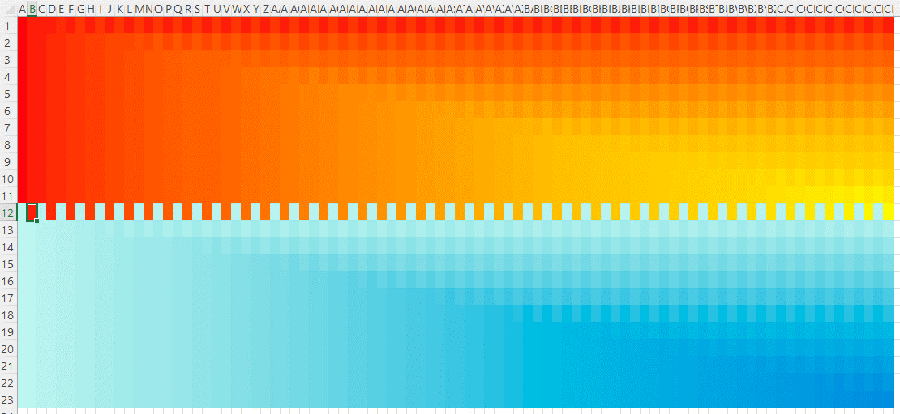
Obstacle:
Arrange the cells as shown below.

